Sheet1
 | Document No. |  | Issue No. | Issue Date |  | Review and Replace Date |  | Authorised By
 | GFF322MC |  | 3 | 21.09.2021 |  | 27.10.2022 |  | Magda Shah
 | Document Title |  | Salt & Pepper Chicken with Sweet Chilli Dip 180g

Document amendments reason for change | Film Updated |  | Page 1 of 1 |  | Previous Issue Date |  | 28.12.2021 | Uncontrolled copy unless signed original

FCSPB-1R20TDO |  | DONALD RUSSEL |  | Salt & Pepper Chicken with Sweet Chilli Dip 180g | FROZEN

*Minimum 5 pieces of chicken
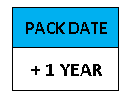  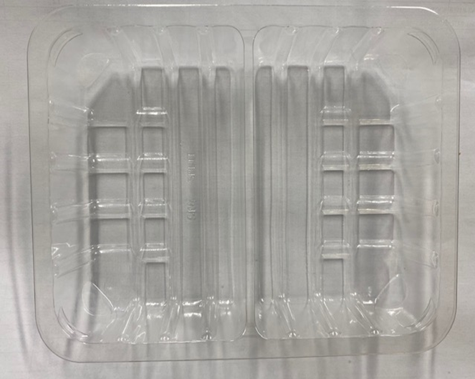 |  |  | 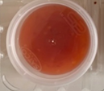 |  |  |  | 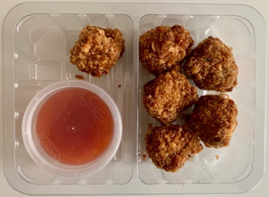

AFTER PACKING PRODUCT NEED TO BE SEND TO DISPATCH BLAST FREEZER

 |  |  | Sweet Chilli Dip - R2 (GFF109R): 40g |  |  |  | Salt & Pepper Chicken Bites (GFF331R): 140g *Minimum 5 pieces

Tray: SK4 Split Clear (PKESS001-06)
Film: K-peel 7G+25A/f-275mm (PKKMP001-03) |  |  | Satco 2oz Pots with Lids (PKJEN001-03) |  |  |  | Total weight: 180g
ALLERGY ALERT: Soya, Wheat

